Instructions
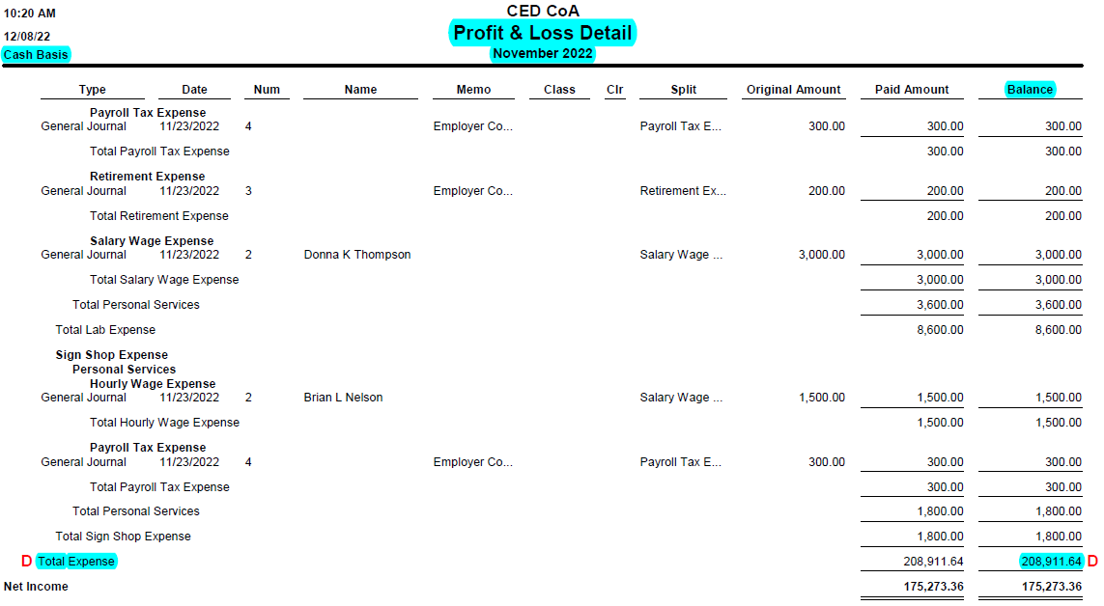
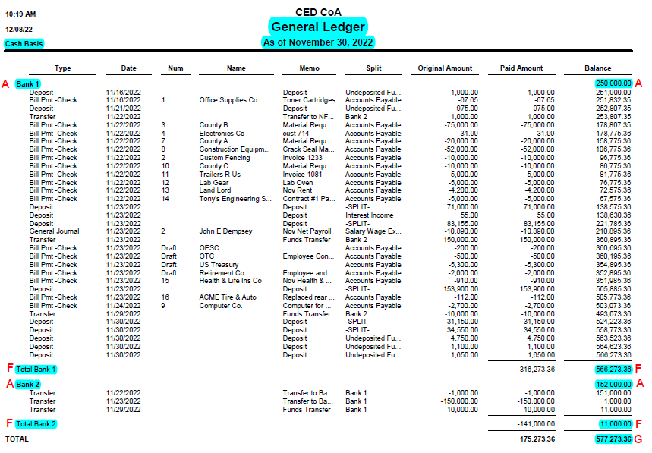
CED Financial Report Instructions
 |  |  |  |  |  | Figure 1
 |  | CED # Example
 |  | Monthly Financial Report
 |  | November

A | Replace Bank 1, Bank 2, etc. with the appropriate banking titles in the District. We suggest these titles match the bank names as they appear on the General Ledger. Run your General Ledger for the specified time period of the report. For example, if you want a report for the month of November the General Ledger will be ran from November 1, 20XX to November 30, 20XX. Also, ensure the report is ran on cash basis instead of accrual basis. See COA SOP #25 for instructions on how to obtain a General Ledger for banking balances only. Enter beginning banking balances from the General Ledger into the corresponding bank account in the grey area of section A in this worksheet . See Figure 1 for example of General Ledger Beginning Bank Balances. |  | Beginning Balance
 |  | A | Bank 1 | 250,000.00
 |  |  | Bank 2 | 152,000.00
 |  |  | Bank 3 | -
 |  |  | Bank 4 | -
 |  |  | Bank 5 | -
 |  |  | Bank 6 | -
 |  |  | Bank 7 | -
 |  | B | Total Beginning Balance |  | 402,000.00

B | This field will auto populate with the total of all beginning bank balances. | C | Total Revenues |  | 384,185.00
C | Run the Profit & Loss Detail Report for the correlating time period of the General Ledger on Cash basis. See COA SOP #26 for instructions on how to obtain a Profit & Loss Detail Report. The first section of the Profit & Loss is Income. There will be a "Total Income" at the end of the income section. Enter the Profit & Loss "Total Income" amount in the grey area of section C next to "Total Revenues" in this worksheet. See Figure 2 for example of Profit & Loss Detail Total Income.
 |  | D | Total Expenditures |  | 208,911.64

 |  | E | Total Ending Bank Balance |  | 577,273.36

 |  |  | Check Figure
D | The next section of the Profit & Loss Detail Report obtained from Step C is the Expense section. At the end of expenses will be "Total Expense". Enter the amount from the Profit & Loss Detail Report "Total Expense" in the grey area of section D next to "Total Expenditures" in this worksheet. See Figure 3 for example of Profit & Loss Detail Total Expense. |  | Ending Balance
 |  | F | Bank 1 | 566,273.36
 |  |  | Bank 2 | 11,000.00
 |  |  | Bank 3 | -
 |  |  | Bank 4 | -
E | This field will auto populate with the Total Ending Bank Balance. |  | Bank 5 | -
F | This is the check figure to ensure the financial statement is appropriately balanced. The bank names should auto populate from the information entered in Step A. Enter the Ending Banking Balances from the General Ledger into section F of this worksheet with the corresponding bank. See Figure 1 for example of General Ledger Ending Bank Balances. |  | Bank 6 | -
 |  |  | Bank 7 | -
 |  | G | Total Ending Balance |  | 577,273.36

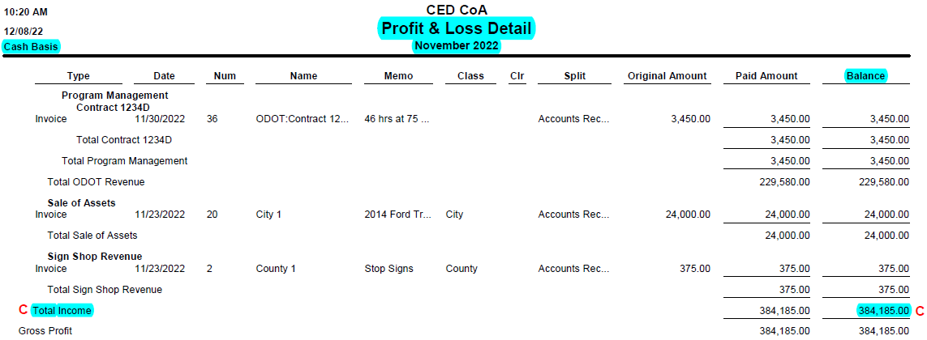
 |  | H | Variance |  | 0.00
G | This field will auto populate with the total Ending Bank Balance from the General Ledger as entered in Step F. |  |  |  |  | Figure 2
 |  | I | Reconciling Items
H | This field auto populates from subtracting Step E and Step G. If there is a variance, this means an entry is posted incorrectly and needs to be researched. If this field is "zero" then no further work is needed.

I | This section is utilized if step H has a variance noted. This could be due to erroneous postings or timing of postings on the ledgers. For example, the Profit & Loss may have invoices that have yet to receive payment. A way to find this information is on the District General Ledger, Undeposited Funds Section. If there is a balance in undeposited funds, this could potentially be a part of the reconciling items. Another variance could be from liability postings. For example, payroll liabilities may have outstanding items or liabilities that aren't being properly cleared. This list is not inclusive of all reconciling possiblities.

 |  | J
 |  |  | Prepared by |  | Date
J | The preparer needs to sign and date this form once completed and balanced.
K | The reviewer should review this report with supporting documentation such as the General Ledger and Profit & Loss Detail Reports utilized to prepare this financial report. Once the review has ensured the accuracy of the preparers work, they need to sign and date the form. | K
 |  |  | Reviewed by |  | Date

 |  | L
L | At the next Board meeting this financial report with the supporting documentation attached (General Ledger and Profit & Loss Detail Reports) should be on the agenda and approved by the District Board. |  | Board Member Approval |  | Date

 |  | L
 |  |  | Board Member Approval |  | Date

 |  |  |  |  |  | Figure 3

